JavaScript
JavaScript
JavaScript is one of the most popular programming languages on earth and is used to add interactivity to webpages, process data, as well as create various applications (mobile apps, desktop apps, games, and more)
Learning the fundamentals of a language will enable you to create the program you desire, whether client-side or server-side.

What can I do with JavaScript?
Put/update HTML and CSS
Make your web pages reponsive
Validate forms
Create cookies
Create animations, slideshows, scrollers, etc.

HTML vs JavaScript
JavaScript uses "events" and actions to make your page interactive
Placing a JavaScript in an external file has the following advantages:
- It separates HTML and code.
- It makes HTML and JavaScript easier to read and maintain.
- Cached JavaScript files can speed up page loads.

<script></script>: Used to define a JavaScript command.

Source JS into an HTML document, in either the <body> or <head> section using:
<script src=""></script>
If adding JS commands like text directly to HTML document, use the element:
<script>document.write("Hello World!");</script>

External scripts (.js files) are useful and practical when the same code is used in a number of different web pages.
If working out of a JS document, use the command:
document.write("")
Formatting Script
Just like in HTML, we can use HTML tags to format text in JavaScript.
<script> document.write("<h1>Hello World!</h1>");</script>

Note: JavaScript is case sensitive. For example, the variables lastName and lastname, are two different variables.

Every written "instruction" is called a statement. JavaScript statements are separated by semicolons.

JavaScript
Type | Number
 | String
Variables
Functions/Methods
Array - a list of numbers or a list of strings
Object - a thing with a property inside of it (i.e. A person, age, etc.)

JavaScript Attributes
alert
document.write
// | Single Line (Invisible) Comments
/**/ | Multi-Line (Invisible) Comment

MVC: Model, View, Controller |  |  |  |  | Note: A line of text ("") is called a string, no matter the method of coding (HTML, CSS, JS, etc.)
The architecture pattern

 |  | Model
 |  | Updates |  | Manipulates
 |  |  |  |  |  | Constructor
View (HTML/CSS) |  |  | Controller

 | Sees |  | Uses
 |  | User

Variables (Var)
Containers for storing data values.
Can change throughout the program.
Var
Variables are containers for storing data values. The value of a variable can change throughout the program.
Use the var keyword to declare a variable:var x = 10;
In the example above, the variable x is assigned the value 10.

JavaScript variable names are case-sensitive.
In the example below we changed x to uppercase:
var x = 100;
document.write(X);Try It Yourself

This code will not result in any output, as x and X are two different variables.

Naming rules:
- The first character must be a letter, an underscore (_), or a dollar sign ($). Subsequent characters may be letters, digits, underscores, or dollar signs.
- Numbers are not allowed as the first character.
- Variable names cannot include a mathematical or logical operator in the name. For instance, 2*something or this+that;
- JavaScript names must not contain spaces.
Hyphens are not allowed in JavaScript. It is reserved for subtractions.

The Equal Sign
In JavaScript, the equal sign (=) is called the "assignment" operator, rather than an "equal to" operator.
For example, x = y will assign the value of y to x.
A variable can be declared without a value. The value might require some calculation, something that will be provided later, like user input.
A variable declared without a value will have the value undefined.

Naming Variables

There are some other rules to follow when naming your JavaScript variables:

- You must not use any special symbols, like my#num, num%, etc.
- Be sure that you do not use any of the following JavaScript reserved words.

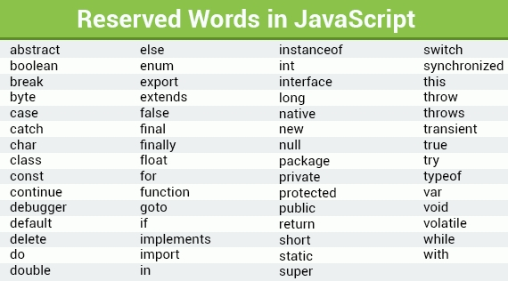
When you get more familiar with JavaScript, remembering these keywords will be much easier. |  |  |  |  |  |  |  | And |  |  | Or
 |  |  |  |  |  |  |  | L | R | Answer | L | R | Answer
 |  |  |  |  |  |  |  | T | T | T | T | T | T
 |  |  |  |  |  |  |  | T | F | F | T | F | T
 |  |  |  |  |  |  |  | F | T | F | F | T | T
 |  |  |  |  |  |  |  | F | F | F | F | F | F

 |  |  |  |  |  |  | Focuses in JavaScript:
 |  |  |  |  |  |  | Variables
 |  |  |  |  |  |  | Objects
 |  |  |  |  |  |  | Function
 |  |  |  |  |  |  | If, Switch
 |  |  |  |  |  |  | Loops
 |  |  |  |  |  |  | Number, String, Boolean

